Soal 1
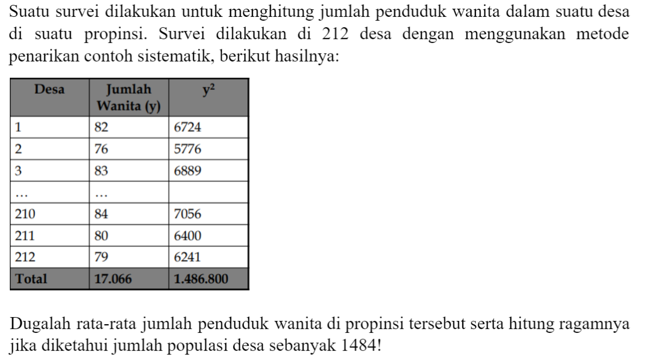
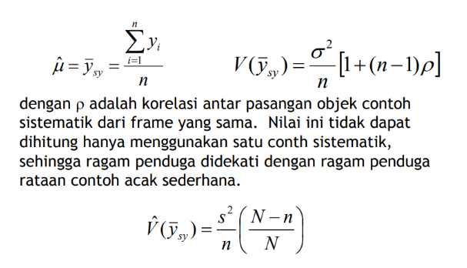
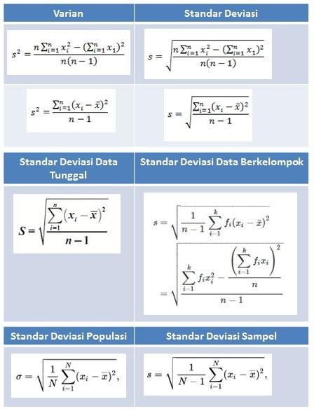

Diketahui |  | Penduga rataan
sigma yi | 17066 | 80.5
sigma yi^2 | 1486800 | Penduga ragam
n | 212 | Hitung ragam contoh
N | 1484 | 535.48341232 | (S^2)

 |  | V duga | 2.1650272735

Soal 2
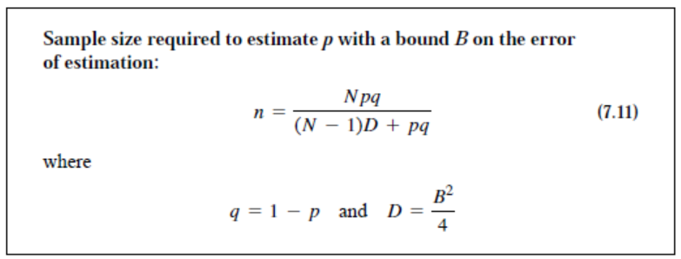

N | 200 | Jumlah contoh
p | 0.7 | 107.94140324 | 108
q | 0.3
B | 0.06
D | 0.0009

Soal 3
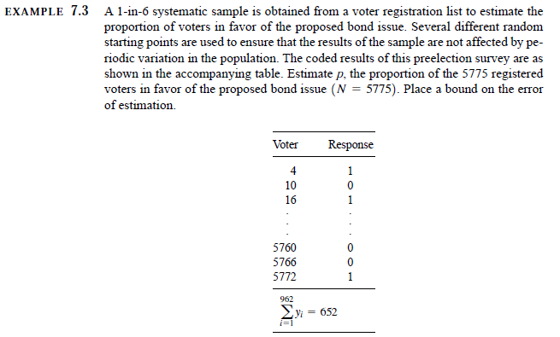
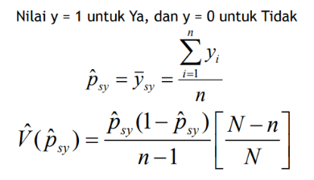

sigma yi | 652 | penduga proporsi
n | 962 | 0.67775467775
N | 5772 | penduga ragam
 |  | 0.00018938889571
 |  | BOE
 |  | 0.027523727634

Soal 4
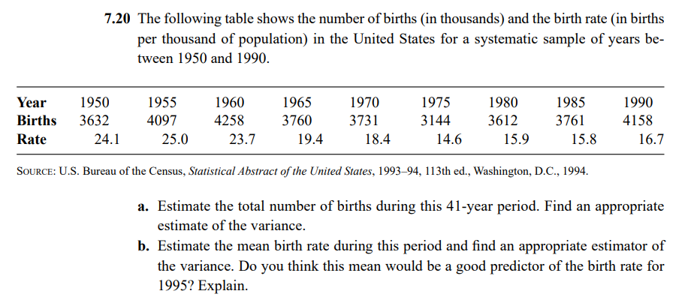
Year | Births | Rate
1950 | 3632 | 24.1
1955 | 4097 | 25
1960 | 4258 | 23.7
1965 | 3760 | 19.4
1970 | 3731 | 18.4
1975 | 3144 | 14.6
1980 | 3612 | 15.9
1985 | 3761 | 15.8
1990 | 4158 | 16.7
Rataan | 3794.7777778 | 19.288888889
Ragam | 115959.69444 | 16.046111111
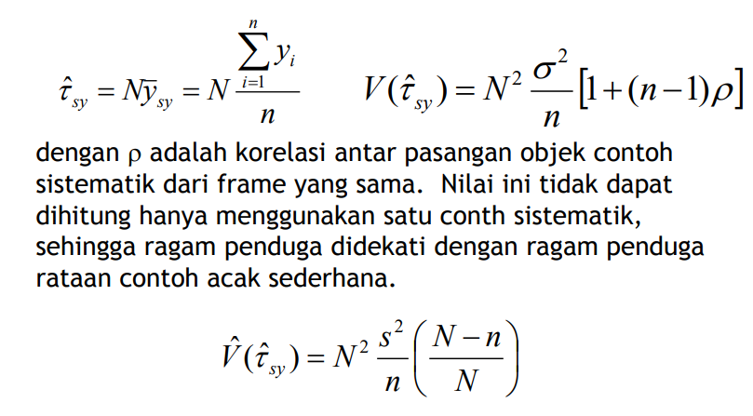
a. Penduga total & ragam total
N | 41
n | 9

tau duga | 155585.88889
ragam | 16904346.568

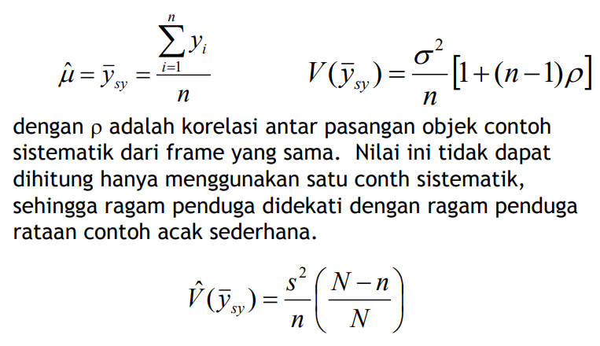
b. Penduga rataan & ragam
mu duga | 19.288888889

Ragam | 1.3915326709

Soal 5 (repeated)
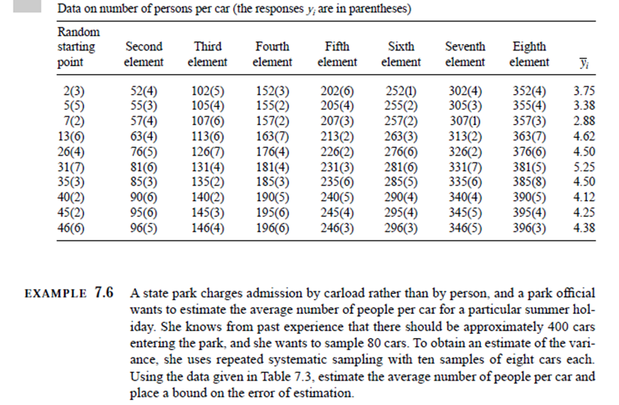
 | N | 400
yi bar | n | 80
3.75 | k | 5
3.38 | k' | 50
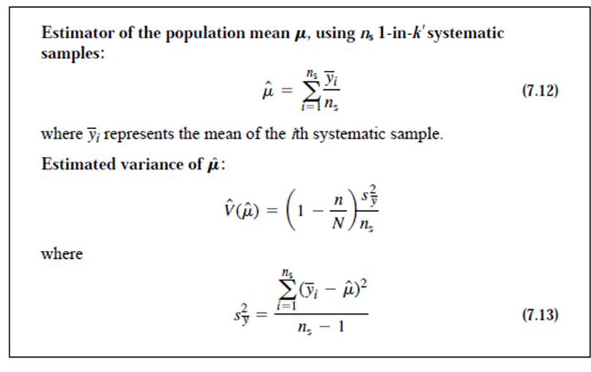
2.88
4.62 | Penduga rataan
4.5 | mu duga | 4.163
5.25
4.5 | ragam
4.12 | s^2 y bar | 0.45597888889
4.25 | V duga | 0.036478311111
4.38 | BOE | 0.38198592179

